PAYGW Rebate Calculator
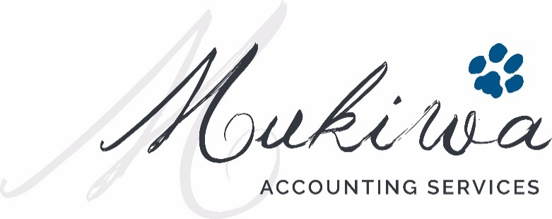

Cash Flow Assistance for Businesses

The Boosting Cash Flow for Employers measure will provide up to $100,000 back to business, with a minimum payment of $20,000 for eligible businesses and not for profits. The payment will provide temporary cash flow support to small and medium businesses that employ staff. The payment will be tax free.

The cash back is calculated on 100% of PAYGW of your wages, paid in 2 separate calculation periods:

Payment Period | Calculation Period | Calculation Method | Benefit
Payment 1 | 1 Jan 2020 - 30 June 2020 | 100% of PAYGW | Capped at $50,000 for the period, with a minimum of $10,000
Additional Payment (Payment 2) | 30 June 2020 - 30 September 2020 | Calculated as the total benefit per Payment 1, with cash paid over the BAS/IAS lodgement period between 30 June 2020 and 30 September 2020 | Capped at $50,000 for the period, with a minimum of $10,000

The minimum payment eligible employers can expect to receive is $10,000 per financial year, even if their PAYGW is less than that.

Timing
The Boosting Cash Flow for Employers measure will be applied for a limited number of activity statement lodgments. The ATO will deliver the payment as a credit to the business upon lodgment of their activity statements. Where this places the business in a refund position, the ATO will deliver the refund within 14 days.

Tranche 1: Period 1 January 2020 - 30 June 2020
Type of lodger | Eligible Period | Lodgement Due Date
Quarterly | Quarter 3 (Jan, Feb and March-20) | 28-Apr-20
 | Quarter 4 (April, May and June-20) | 28-Jul-20
Monthly | Mar-20 | 21-Apr-20
 | Apr-20 | 21-May-20
 | May-20 | 21-Jun-20
 | Jun-20 | 21-Jul-20

Tranche 2: Additional Payment
Type of lodger | Eligible Period | Lodgement Due Date
Quarterly | Quarter 4 (April, May and June 2020) | 28-Jul-20
 | Quarter 1 (July, August and September 2020) | 28-Oct-20
Monthly | Jun-20 | 21-Jul-20
 | Jul-20 | 21-Aug-20
 | Aug-20 | 21-Sep-20
 | Sep-20 | 21-Oct-20

Monthly lodgers will be eligible to receive the payment for the March 2020, April 2020, May 2020 and June 2020 lodgments. To provide a similar treatment to quarterly lodgers, the payment for monthly lodgers will be calculated at three times the rate (300 per cent) in the March 2020 activity statement.

CALCULATOR

1) QUARTERLY LODGEMENT CYCLE |  | Cash payment date

TRANCHE 1 - BOOSTING CASH FLOW FOR EMPLOYERS

Quarter 3, 2020 PAYGW (March-20 BAS) |  | 28-Apr-20 | Input Cells
Cash flow concession | $10,000

Quarter 4, 2020 PAYGW (June-20 BAS) |  | 28-Jul-20
Cash flow concession | $0

Tranche 1 Total | $10,000
 | $10,000
TRANCHE 2 - ADDITIONAL PAYMENT (SAME VALUE AS TRANCHE 1, SPLIT OVER LODGEMENT PREIODS)

Quarter 4 (April, May and June 2020) | $5,000 | 28-Jul-20
Cash flow concession | $5,000

Quarter 1, (July, August and September 2020) | $5,000 | 28-Oct-20
Cash flow concession | $5,000

Tranche 2 Total | $10,000

GRAND TOTAL | $20,000

2) MONTHLY LODGEMENT CYCLE |  | Cash payment date

TRANCHE 1 - Boosting Cash Flor for Employers

March-20 IAS
Gross Up (300% to cover Jan, Feb and March months) | $0 | 21-Apr-20
 | $10,000

April-20 IAS |  | 21-May-20
 | $0

May-20 IAS |  | 21-Jun-20
 | $0

June-20 IAS |  | 21-Jul-20
 | $0
 | $10,000
Tranche 1 Total | $10,000

TRANCHE 2 - ADDITIONAL PAYMENT (SAME VALUE AS TRANCHE 1, SPLIT OVER LODGEMENT PREIODS

June-20 IAS | $2,500 | 21-Jul-20
 | $2,500

July-20 IAS | $2,500 | 21-Aug-20
 | $2,500

August-20 IAS | $2,500 | 21-Sep-20
 | $2,500
 |  | 21-Oct-20
September-20 IAS | $2,500
 | $2,500

Tranche 2 Total | $10,000
 | $10,000
GRAND TOTAL | $20,000

If you have any questions, please contact us by emailing steve@mukiwa.com.au or ben@mukiwa.com.au.

Disclaimer: The above calculator is a tool to assist businesses in calculating the credit they MAY be entitled to as a result of the government stimulus initiatives recently announced. Whilst we believe it to be accurate as at the day it was published online, it is for general use only and should not be relied upon without first consulting your accountant.

